HR Report
HR Report 2020

Staff Numbers 2010-2020
 | Female | Male
2010 | 143 | -206
2011 | 177 | -247
2012 | 197 | -293
2013 | 232 | -329
2014 | 264 | -380
2015 | 328 | -461
2016 | 364 | -518
2017 | 395 | -569
2018 | 434 | -621
2019 | 457 | -667
2020 | 466 | -678
Staff Level Changes 2019
 | Total | Increase | Decrease
Start | 1055
Jan | 1055 | 10 | 0
Feb | 1065 | 9 | 0
Mar | 1074 | 9 | 0
Apr | 1083 | 8 | 0
May | 1091 | 6 | 0
Jun | 1097 | 7 | 0
Jul | 1104 | 7 | 0
Aug | 1111 | 9 | 0
Sep | 1118 | 0 | 2
Oct | 1118 | 1 | 0
Nov | 1119 | 1 | 0
Dec | 1120 | 2 | 0
End | 1122

 | Staff Numbers 2010-2020

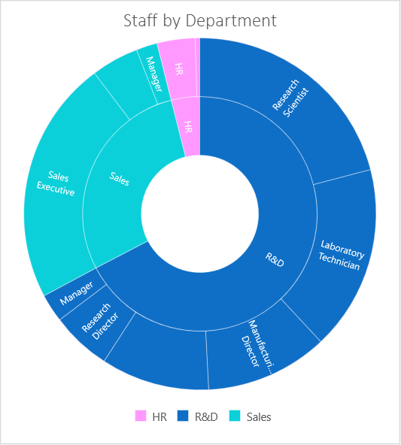
Pension Paid
 | HR | R&D | Sales
Female | $11,563.29 | $191,988.27 | $100,882.89
Male | $15,883.11 | $269,078.49 | $138,910.95
Staff Retention
 | Total
No | 83.4%
Yes | 16.6%

 |  |  | Staff
 |  |  | Retention

 |  | New Starters

New Starters
 | Female | Male
2000 | 7 | 10
2001 | 6 | 21
2002 | 14 | 13
2003 | 13 | 10
2004 | 9 | 16
2005 | 12 | 12
2006 | 20 | 16
2007 | 12 | 21
2008 | 13 | 17
2009 | 23 | 36
2010 | 32 | 67
2011 | 35 | 50
2012 | 22 | 51
2013 | 37 | 41
2014 | 33 | 53
2015 | 67 | 86
2016 | 38 | 60
2017 | 34 | 52
2018 | 40 | 53
2019 | 24 | 47

 |  |  | Pension

PivotTable
New Starters
Count of JobRole | Column Labels
Row Labels | Female | Male | Grand Total
2000 | 7 | 10 | 17 |  |  | Sum of Pension | Column Labels
2001 | 6 | 21 | 27 |  |  | Row Labels | HR | R&D | Sales | Grand Total
2002 | 14 | 13 | 27 |  |  | Female | $11,563.29 | $191,988.27 | $100,882.89 | $304,434.45
2003 | 13 | 10 | 23 |  |  | Male | $15,883.11 | $269,078.49 | $138,910.95 | $423,872.55
2004 | 9 | 16 | 25 |  |  | Grand Total | $27,446.40 | $461,066.76 | $239,793.84 | $728,307.00
2005 | 12 | 12 | 24
2006 | 20 | 16 | 36
2007 | 12 | 21 | 33
2008 | 13 | 17 | 30
2009 | 23 | 36 | 59
2010 | 32 | 67 | 99
2011 | 35 | 50 | 85
2012 | 22 | 51 | 73
2013 | 37 | 41 | 78
2014 | 33 | 53 | 86
2015 | 67 | 86 | 153
Staff Retention
2016 | 38 | 60 | 98
2017 | 34 | 52 | 86 | Row Labels | Sum of EmployeeCount
2018 | 40 | 53 | 93 | No | 83.4%
2019 | 24 | 47 | 71 | Yes | 16.6%
Grand Total | 491 | 732 | 1223 | Grand Total | 100.0%

Calcs
Calculations

Department | JobRole | Employee Count |  | 2019 | Total | Increase | Decrease | Amounts | Year | Female | Male | Total
HR | HR | 40 |  | Start | 1055 |  |  |  | 1990 | 3 | -2 | 5
HR | Manager | 5 | 1 | Jan | 1055 | 10 | 0 | 10 | 1991 | 3 | -5 | 8
R&D | Healthcare Representative | 114 | 2 | Feb | 1065 | 9 | 0 | 9 | 1992 | 3 | -6 | 9
R&D | Laboratory Technician | 194 | 3 | Mar | 1074 | 9 | 0 | 9 | 1993 | 6 | -7 | 13
R&D | Manager | 30 | 4 | Apr | 1083 | 8 | 0 | 8 | 1994 | 9 | -11 | 20
R&D | Manufacturing Director | 129 | 5 | May | 1091 | 6 | 0 | 6 | 1995 | 10 | -15 | 25
R&D | Research Director | 63 | 6 | Jun | 1097 | 7 | 0 | 7 | 1996 | 12 | -20 | 32
R&D | Research Scientist | 240 | 7 | Jul | 1104 | 7 | 0 | 7 | 1997 | 15 | -21 | 36
Sales | Manager | 22 | 8 | Aug | 1111 | 9 | 0 | 9 | 1998 | 19 | -26 | 45
Sales | Sales Executive | 257 | 9 | Sep | 1118 | 0 | 2 | -2 | 1999 | 21 | -29 | 50
Sales | Sales Representative | 50 | 10 | Oct | 1118 | 1 | 0 | 1 | 2000 | 28 | -36 | 64
 |  |  | 11 | Nov | 1119 | 1 | 0 | 1 | 2001 | 32 | -43 | 75
 |  |  | 12 | Dec | 1120 | 2 | 0 | 2 | 2002 | 42 | -51 | 93
 |  |  |  | End | 1122 | 0 | 0 | 0 | 2003 | 47 | -56 | 103
 |  |  |  |  |  |  |  |  | 2004 | 54 | -67 | 121
Staff Level Changes 2019
 | Total | Increase | Decrease
Start | 1055
Jan | 1055 | 10 | 0
Feb | 1065 | 9 | 0
Mar | 1074 | 9 | 0
Apr | 1083 | 8 | 0
May | 1091 | 6 | 0
Jun | 1097 | 7 | 0
Jul | 1104 | 7 | 0
Aug | 1111 | 9 | 0
Sep | 1118 | 0 | 2
Oct | 1118 | 1 | 0
Nov | 1119 | 1 | 0
Dec | 1120 | 2 | 0
End | 1122
 |  |  |  |  |  |  |  |  | 2005 | 63 | -76 | 139
 |  |  |  |  |  |  |  |  | 2006 | 76 | -89 | 165
 |  |  |  |  |  |  |  |  | 2007 | 85 | -103 | 188
 |  |  |  |  |  |  |  |  | 2008 | 94 | -116 | 210
 |  |  |  |  |  |  |  |  | 2009 | 113 | -146 | 259
 |  |  |  |  |  |  |  |  | 2010 | 143 | -206 | 349
 |  |  |  |  |  |  |  |  | 2011 | 177 | -247 | 424
 |  |  |  |  |  |  |  |  | 2012 | 197 | -293 | 490
 |  |  |  |  |  |  |  |  | 2013 | 232 | -329 | 561
 |  |  |  |  |  |  |  |  | 2014 | 264 | -380 | 644
 |  |  |  |  |  |  |  |  | 2015 | 328 | -461 | 789
 |  |  |  |  |  |  |  |  | 2016 | 364 | -518 | 882
 |  |  |  |  |  |  |  |  | 2017 | 395 | -569 | 964
 |  |  |  |  |  |  |  |  | 2018 | 434 | -621 | 1055
 |  |  |  |  |  |  |  |  | 2019 | 457 | -667 | 1124
 |  |  |  |  |  |  |  |  | 2020 | 466 | -678 | 1144

Staff Numbers 2010-2020
 |  |  |  |  |  |  |  |  | 2019
 |  |  |  |  |  |  |  |  | Gauge | Pointer
 |  |  |  |  |  |  |  |  | 1 | 1124
 |  |  |  |  |  |  |  |  | 1 | 10
 |  |  |  |  |  |  |  |  | 1 | 66
 |  |  |  |  |  |  |  |  | 3 | 1200

